Sheet1
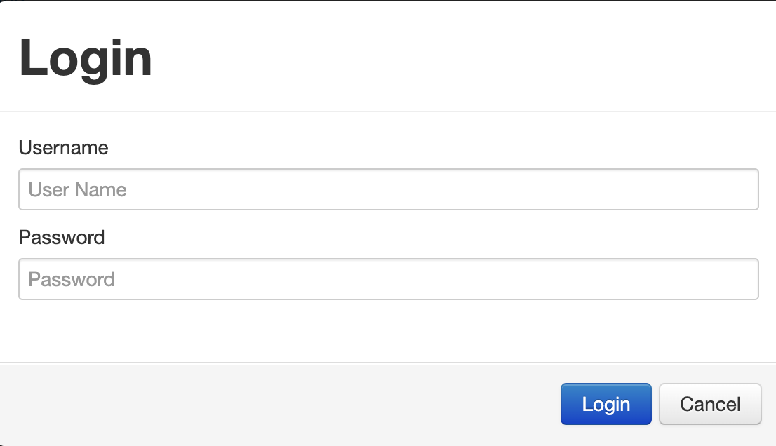
Project Name: | Jupitor Toys
Module Name: | Lading page
Reference Document:
Created by: | Gabriel Garcia
Date of creation: | 2022-02-10
Date of review: | 2022-02-13

TEST CASE ID | TEST CASE DESCRIPTION | POSITIVE/NEGATIVE SCENERIO | PRE-CONDITIONS | TEST-STEPS | TEST DATA | EXPECTED RESULT | ACTUAL RESULT | STATUS (PASS/FAIL)
TC_001 | To check if the order is added to the Cart | POSITIVE | 1. Website is launched | 1. Choose an item | Stuffed Dog | Order is succesfully added to Cart |  | PASS
 |  |  | 2. Shop area is open | 2. Click on the bottom “Buy”
 |  |  |  | 3. Go to Cart;
 |  |  |  | 4. Check if the item is added and the price is correct (according to item). | $10.99
TC_002 | To remove an item from the Cart | POSITIVE | 1. An item is added to the Cart | 1. Click on red bottom at “Actions” |  | Item is removed from the cart |  | PASS
 |  |  |  | 2. Click “Yes” to remove the item
TC_003 | To check if Subtotal is updated after adding another item; | POSITIVE | 1. An item is in the Cart | 1. Go to "Shop" |  | Subtotal is automatically updated in the Cart |  | PASS
 |  |  |  | 2. Click in "Buy" to add another item | Teddy Bear
 |  |  |  | 3. Go to Cart
 |  |  |  | 4. Check if subtotal is proportional to the number of items in the cart. | $25.98
TC_004 | To check “Empty Cart” bottom response | POSITIVE | 1. At least an item is in the cart | 1. Click on the bottom “Empty Cart”; |  | Cart is empty successfully |  | PASS
 |  |  | 2. Cart area is open | 2. Click on ‘Yes’ bottom to empty the cart;
 |  |  |  | 3. Check if the cart is empty. Message should appear “Your cart is empty - there's nothing to see here”.
TC_006 | To verify if a message in the "Contact" area is sent successfully (this should be integrated to another system) | POSITIVE | 1. Contact area is open | 1. Enter your Forename | Gabriel | A message should appear: "Thanks [name], we appreciate your feedback. |  | PASS
 |  |  |  | 2. Enter your surname (not required) | Garcia
 |  |  |  | 3. Enter your e-mail | test@gmail.com
 |  |  |  | 4. Enter your telephone (not required) | 416076608
 |  |  |  | 5. Type your message | Hello, I couldn’t find an item to buy
 |  |  |  | 6. Click on "Submit"
TC_007 | To verify if payment is finalized through Check out | POSITIVE | 1. At least an item is in the cart | 1. Click on 'Check out' |  | Thanks [name], your order has been accepted. Your order nuumber is [XXXXXXXXXXXXXXX] |  | PASS
 |  |  | 2. Cart area is open | 2. Enter your Forename | Gabriel
 |  |  |  | 3. Enter your surname | Garcia
 |  |  |  | 4. Enter your Telephone | 1234567891
 |  |  |  | 5. Enter your address | 4/5 Aborin Street
 |  |  |  | 6. Select your Card type | Visa
 |  |  |  | 7. Enter your Card Number | 1234 9876 1234 9876
 |  |  |  | 8. Click Submit
TC_008 | To verify error when a filed is left empty by the user | POSITIVE | 1. Contact area is open | 1. Click out of the field Forename |  | We welcome your feedback - but we won't get it unless you complete the form correctly. |  | Pass

TC_009 | To check editing quantity field in Cart area | POSITIVE | 1. Cart area is open | 1. Add manually the number of items in the quantity column | 3x Teddy Bear | Subtotal is correctly updated in the Cart |  | PASS
 |  |  | 2. At least An item is already in the cart | 2.Check if subtotal is proportional to the number of items in the cart | $38.97
TC_010 | To test Login are | POSITIVE | 1. Website is launched | 1. Click in Login area |  | User is logged | No sign-up area so user cannot log-in | FAIL
 |  |  |  | 2. Enter Username | gg
 |  |  |  | 3. Enter password | 123456

REPORT

After test cases done, a bug on the system was founded so a ticket was open by the user:
· [TC_010] [V1] [Missing sign up button]

Problem description: User can't sign up on the login area of the website.
What have been done:
1) User clicked on Login area
2) There is no sign-up bottom showed

What should happen:
1) User clicks on sign up bottom
2) Do registration through e-mail
3) Choose a password
4) User sign-in

Attachments:

